2、送货单（香-店）
Hong Kong Andeo Group Limited
送貨清單
客戶名稱（Customer Name）： |  | 東莞市慕聲商貿有限公司
送貨日期（Delivery date）： |  | 2025/7/18 | 送貨單號(Delivery Number)： |  | 20250718001
No | 產品名稱(Product Name) |  | 數量(quantity) | 備註（對應貨件編號）
1 | MSEU1-D25-268-3 |  | 278 | FBA15KC478W2
2 | MSEU-D70-6-2 |  | 208 | FBA15KC478W2
3 | MS-D06-26-3 |  | 416 | FBA15KC478W2
4 | MSEU-D75-208-5 |  | 139 | FBA15KC478W2
5 | MSEU-D70-7-3 |  | 347 | FBA15KC478W2
6 | MS-D22-7-2 |  | 304 | FBA15KBZR6MP
7 | MS-D23-209-3 |  | 228 | FBA15KBZR6MP
8 | MSUK-D33-26-2 |  | 457 | FBA15KBZR6MP
9 | MS-D22-0-5 |  | 152 | FBA15KBZR6MP
10 | MSUK-D72-201-2 |  | 381 | FBA15KBZR6MP
11 | MS-D06-209-3 |  | 455 | FBA15KBLF8FW
12 | MSEU-D70-5-2 |  | 341 | FBA15KBLF8FW
13 | MSEU-D70-2-5 |  | 341 | FBA15KBLF8FW
14 | MS-D06-368-4 |  | 507 | FBA15KBPS09H
15 | MS-D06-209-4 |  | 203 | FBA15KBPS09H
16 | MSEU1-D25-268-4 |  | 304 | FBA15KBPS09H
17 | MSEU1-D25-206-5 |  | 313 | FBA18X1KX03H
18 | MSEU-D71-2-7 |  | 125 | FBA18X1KX03H
19 | MSEU-D75-20-5 |  | 188 | FBA18X1KX03H
20 | MS-D06-368-3 |  | 159 | FBA15K9D1NV1
21 | MSEU-D74-2-4 |  | 119 | FBA15K9D1NV1
22 | MSEU-D75-268-4 |  | 239 | FBA15K9D1NV1
23 | MSEU-D70-6-3 |  | 80 | FBA15K9D1NV1
24 | MSEU-D70-6-4 |  | 40 | FBA15K9D1NV1
25 | MSEU-D75-268-3 |  | 159 | FBA15K9D1NV1
26 | MSUK-D74-5-6 |  | 136 | FBA15K9D76G1
27 | MS-D23-1-3 |  | 102 | FBA15K9D76G1
28 | MS-D06-2-5- |  | 204 | FBA15K9D76G1
29 | MSUK-D30-5-4 |  | 68 | FBA15K9D76G1
30 | MSUK-D74-2-5 |  | 170 | FBA15K9D76G1
31 | MSUK-D47-6-2 |  | 270 | FBA15K9CQWFW
32 | MSUK-D30-25-5 |  | 108 | FBA15K9CQWFW
33 | MS-D06-209-5 |  | 162 | FBA15K9CQWFW
34 | MSEU-D71-2-4 |  | 107 | FBA15K90YXXH
35 | MSEU-D70-6-6 |  | 80 | FBA15K90YXXH
36 | MS-D06-2-4 |  | 161 | FBA15K90YXXH
37 | MSEU-D70-7-2 |  | 54 | FBA15K90YXXH
38 | MSEU-D71-25-3 |  | 134 | FBA15K90YXXH
數量合計(Total quantity)： |  |  | 8239
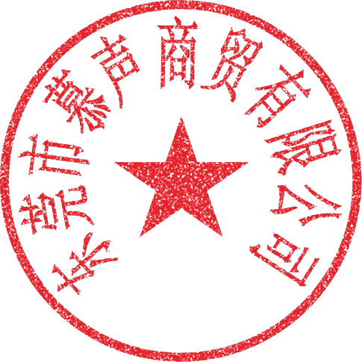 特別說明: 1、貨物一經簽收，即視為貨物數量無誤; 2、收貨方如發現品質問題請在收到貨後七天內向送貨方提出，否則送貨方一律不承擔任何責任。 Special Notes: 1. Once the goods are signed for, it is assumed that the quantity of the goods is correct. 2. If the recipient discovers any quality issues, they must inform the supplier within seven days of receiving the goods; otherwise, the supplier shall not assume any responsibility.
收貨單位及經手人(Receiving unit and handler):
送貨單位及經手人(Shipping company and the person in charge of the delivery):

